Sheet1
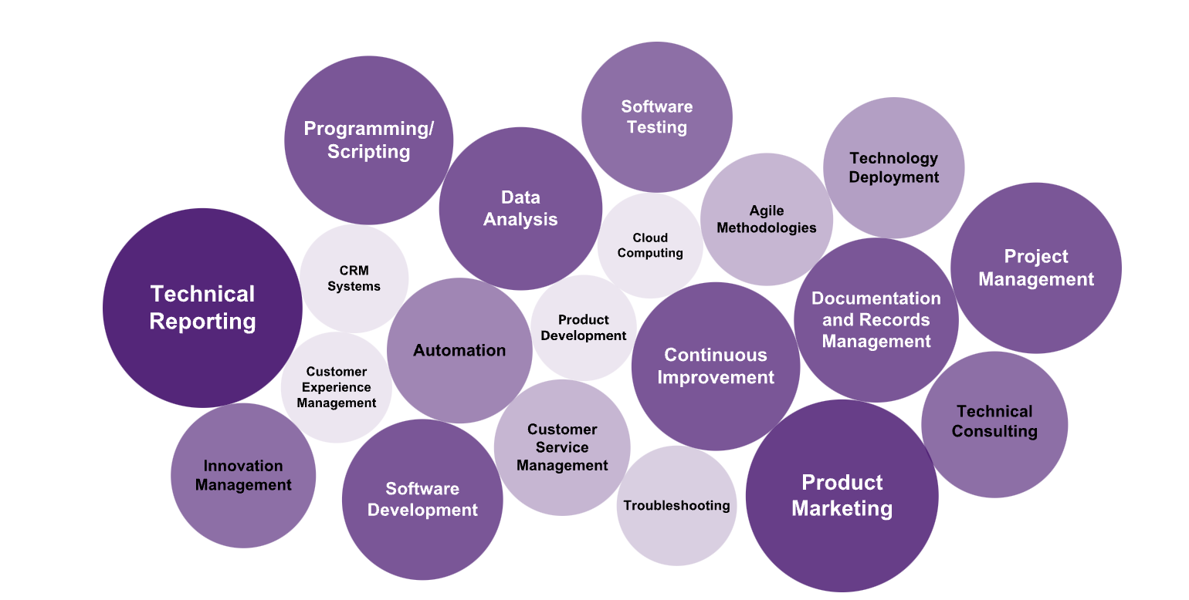
Top Countries | IT Track | Skills in Demand | Tech Certifications
🇮🇪Ireland 🇪🇸Spain 🇩🇪Germany 🇳🇱Netherlands 🇸🇪Sweden 🇬🇧U.K 🇫🇮Finland 🇪🇺and more.. | Software Developer | Java, Python, C# | Oracle Java SE, Microsoft Certified: Azure Developer Associate
 | Cloud Engineer | AWS, Azure, Kubernetes | AWS Certified Solutions Architect, Microsoft Certified: Azure Solutions Architect
 | Data Scientist | Python, R, SQL, Machine Learning | Certified Analytics Professional, TensorFlow Developer Certificate
 | Cybersecurity Specialist | Network Security, Ethical Hacking, SIEM | CISSP, CEH (Certified Ethical Hacker)
 | Full-Stack Developer | JavaScript, React, Node.js | Full Stack Web Developer Bootcamp, React Certification
 | DevOps Engineer | CI/CD, Docker, Jenkins | Docker Certified Associate, Certified Kubernetes Administrator
 | IT Project Manager | Agile, Scrum, Project Management | PMP (Project Management Professional), PRINCE2
 | AI/ML Engineer | TensorFlow, Python, Deep Learning | TensorFlow Developer, Microsoft Certified: Azure AI Engineer
 | Cloud Solutions Architect | Azure, AWS, GCP | Google Professional Cloud Architect, AWS Certified Solutions Architect
 | Data Engineer | SQL, Hadoop, Spark | Google Professional Data Engineer, Microsoft Certified: Azure Data Engineer
 | Backend Developer | Java, Python, Ruby | Oracle Java SE, Python Institute PCEP
 | Systems Administrator | Linux, VMware, Windows Server | RHCSA (Red Hat Certified System Administrator), VMware Certified Professional
 | Network Engineer | Cisco Networking, Routing, Switching | CCNA,CCNP,CCIE and CompTIA Network+
 | Front-End Developer | HTML/CSS, JavaScript, Angular | JavaScript Developer Certification, Angular Certification
 | Data Analyst | SQL, Power BI, Python | Microsoft Certified: Data Analyst Associate, SAS Certified Data Scientist
 | IT Security Manager | Risk Management, Compliance, Security Audits | CISM (Certified Information Security Manager), CISSP
 | AI/Data Scientist | Python, Machine Learning, Data Analytics | IBM Data Science Professional Certificate, SAS Certified AI & Machine Learning Professional
 | Cloud Security Engineer | Security Best Practices, AWS/Azure Security | AWS Certified Security, CompTIA Security+
 | Mobile App Developer | Swift, Kotlin, React Native | Google Associate Android Developer, Swift Certification
 | Enterprise Architect | TOGAF, IT Strategy, Business Process Management | TOGAF 9 Certified, ITIL Foundation
 | Full-Stack Developer | JavaScript, React, Python | Full Stack Web Developer Certification, Microsoft Certified: Azure Developer Associate
 | AI/ML Engineer | Python, Deep Learning, AI Algorithms | TensorFlow Developer Certificate, AWS Certified Machine Learning
 | IT Consultant | Business Analysis, Solution Design, IT Strategy | ITIL Foundation, Certified Management Consultant (CMC)
 | Software Engineer | Java, Python, C++ | Oracle Java SE, Microsoft Certified: Azure Developer Associate
 | Database Administrator | SQL, Oracle, MySQL | Oracle Certified Professional, Microsoft Certified: Azure Database Administrator
 | IT Operations Manager | ITIL, Systems Management, Network Operations | ITIL Foundation, CompTIA Network+
 | Cybersecurity Analyst | Threat Analysis, SIEM, Incident Response | CompTIA CySA+, GIAC Certified Incident Handler
 | DevOps Specialist | Automation, Docker, Kubernetes | Docker Certified Associate, Certified Kubernetes Administrator
 | IT Service Manager | ITIL, Service Management, Customer Relationship Management | ITIL Foundation, Certified IT Service Management
 | Software Quality Assurance (QA) | Testing, Automation, Selenium | ISTQB Foundation Level, Certified Software Quality Analyst (CSQA)
 | Cloud Developer | AWS, Azure, GCP | AWS Certified Developer, Microsoft Certified: Azure Developer Associate

